Gantt Chart Template
Project Timeline Template

Project Name: Timer IP

 | Task Name | Start (Date) | End (Date) | Duration (Days) | %done | Column1
 |  |  |  |  | %done | Stuck point
 | Investigation | 2025-07-16 | 2025-07-19 | 3 | 100
 | Design specification | 2025-07-20 | 2025-07-26 | 7 | 100
 | RTL coding | 2025-07-27 | 2025-08-02 | 7 | 100
 | Compilation | 2025-08-03 | 2025-08-04 | 2 | 100
 | Verification Plan | 2025-08-05 | 2025-08-11 | 7 | 100
 | Build env | 2025-08-05 | 2025-08-06 | 2 | 100
 | 1Pass | 2025-08-07 | 2025-08-09 | 3 | 100
 | All Pass | 2025-08-10 | 2025-08-16 | 7 | 100
 | Coverage | 2025-08-17 | 2025-08-19 | 3 | 100
 | Total |  |  | 34 | 100

Block diagram
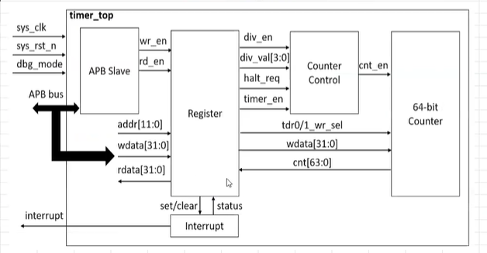

 | x

IO port list
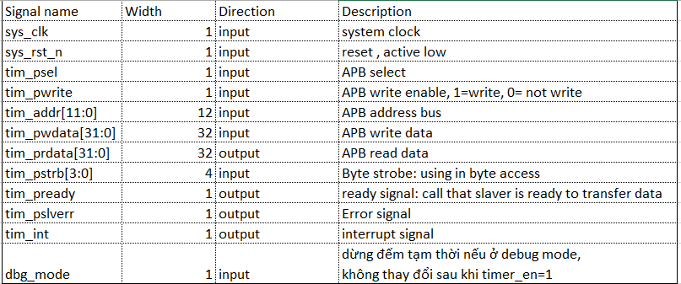

waveform
APB no wait state
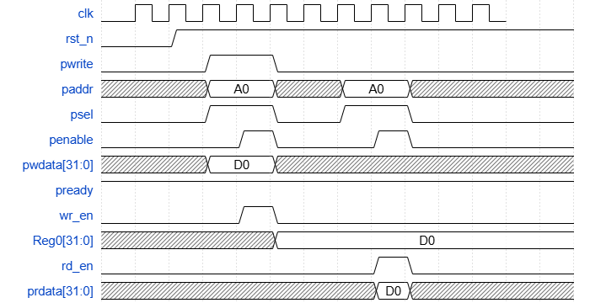

APB wait state

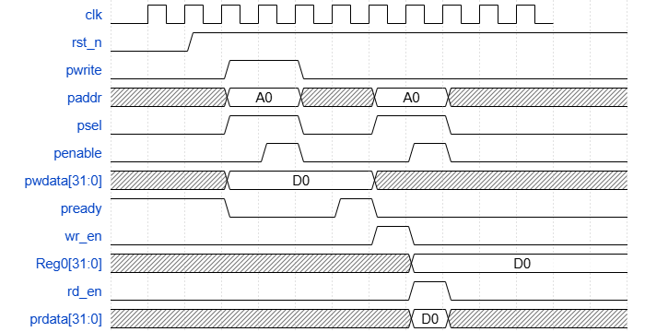

counter control mode

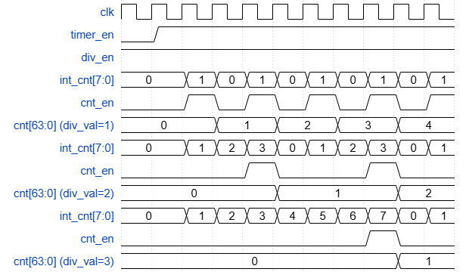

Halt mode

Interrupt

logic diagram
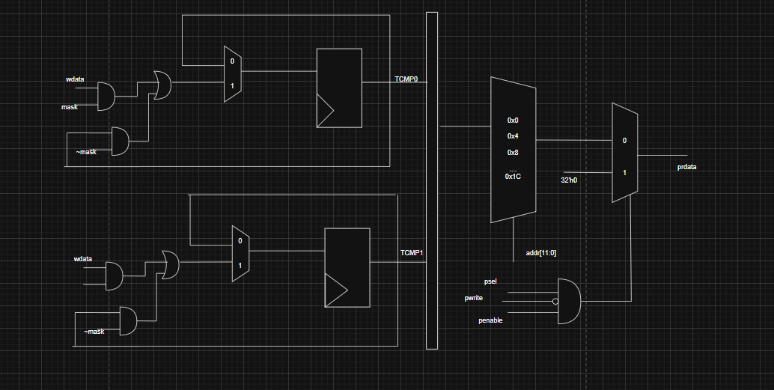
TCR

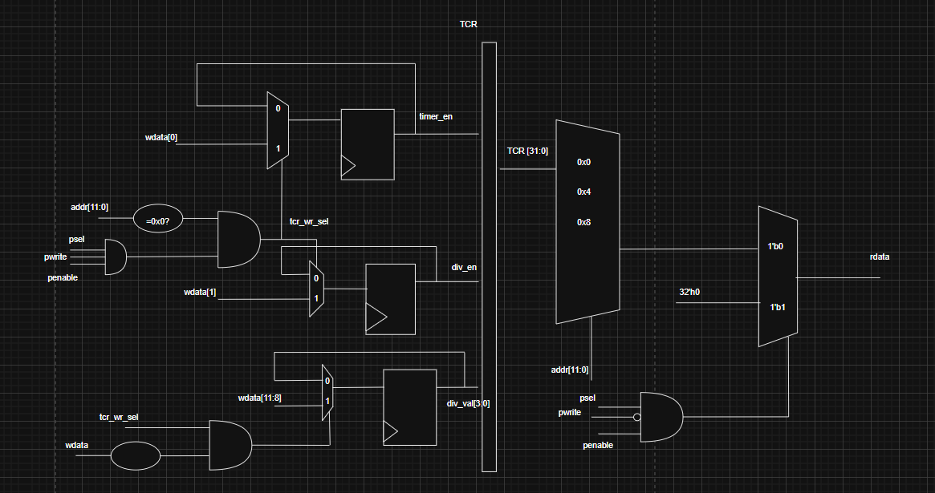

interrupt

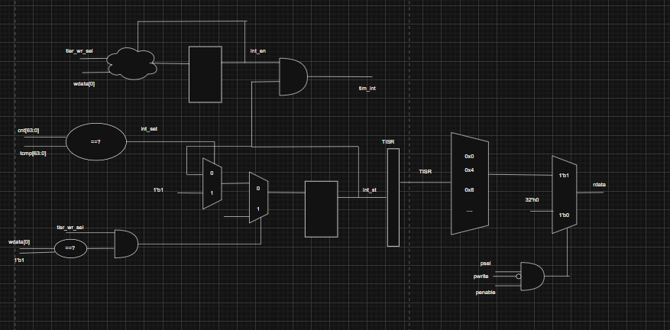

 |  |  |  | CNT_CTRL

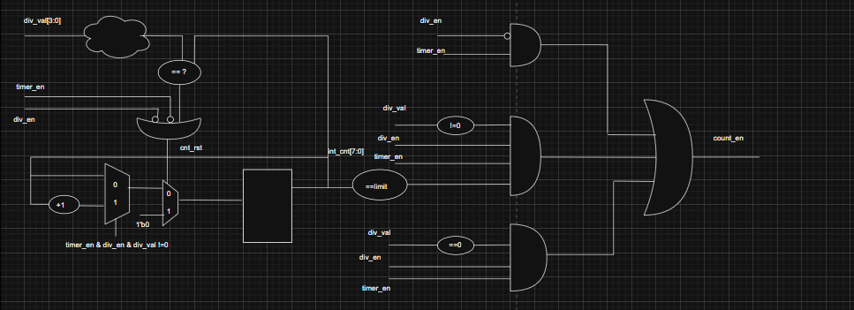

 |  |  | COUNTER

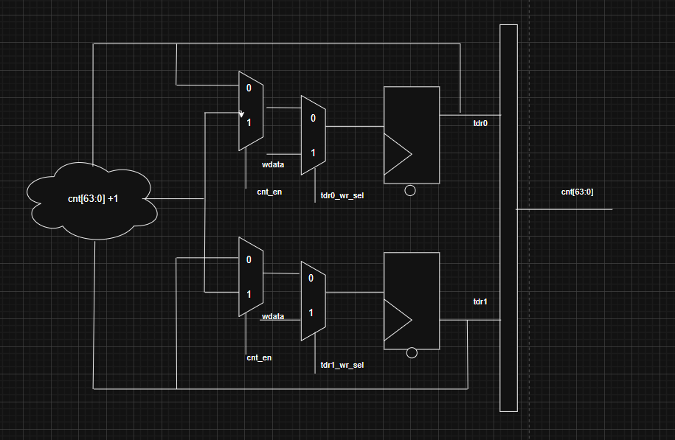

 |  | TDR

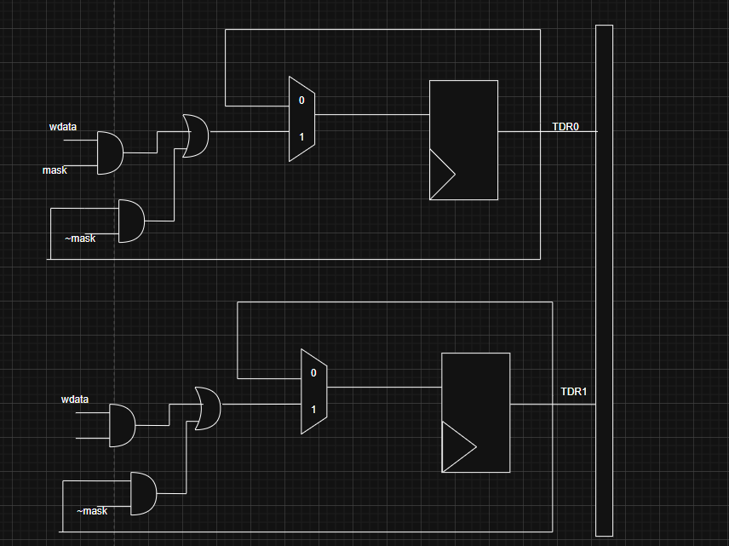

 | TCMP

